Sheet1
Item # | Description | Color | Sizes |  |  | TOTAL
 |  |  | S | M | L
CE709 | MENS KNIT SHELL VEST | CARBON | 1,043 | 4,017 | 3,519 | 8,579
CE709 | MENS KNIT SHELL VEST | CLASSIC NAVY | 850 | 2,557 | 1,889 | 5,296
CE709 | MENS KNIT SHELL VEST | CLASSIC RED | 255 | 433 | 120 | 808
CE709 | MENS KNIT SHELL VEST | TRUE ROYAL | 197 | 1,184 | 690 | 2,071
 |  |  | 2,345 | 8,191 | 6,218 | 16,754

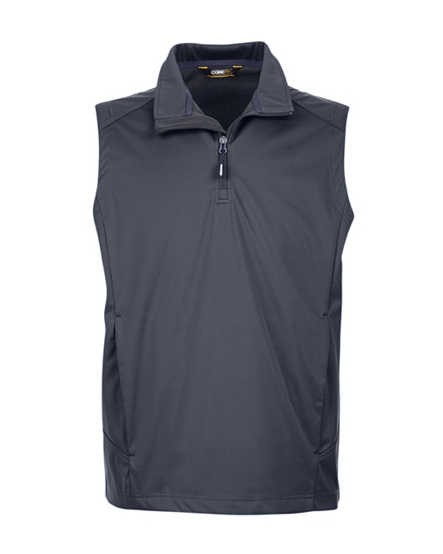
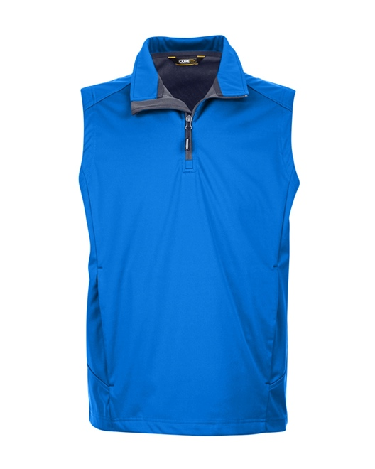
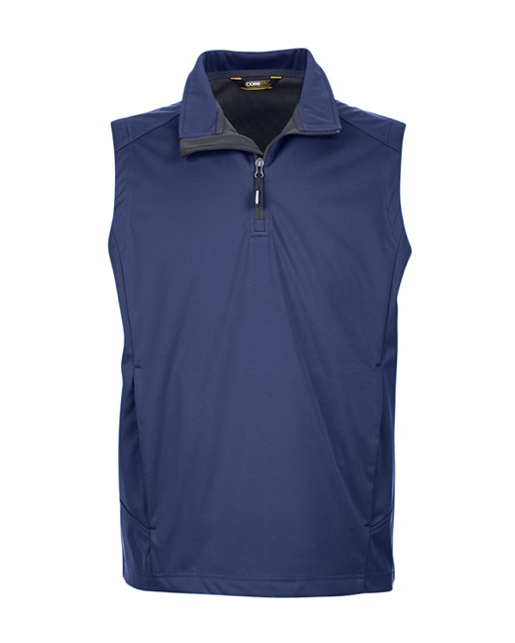
MSRP (A): $32.00
Fabric:
6 oz/yd2 / 200 gsm, 3-Layer 100% polyester interlock bonded to polyester birdseye with inner membrane
8,000 mm waterproof rating
1,000 g breathability rating
Feature:
Matching chin guard
Pockets with zippers on each side
Center front reverse coil zipper with autolock slider and reflective toggle
Deco Eligible

